Yearly Cont. Sched
Current Year | Reserve Fund Expenditures | FY2023 | FY2024 | FY2025 | FY2026 | FY2027 | FY2028 | FY2029 | FY2030 | FY2031 | FY2032 | FY2033 | FY2034 | FY2035 | FY2036 | FY2037 | FY2038 | FY2039 | FY2040 | FY2041 | FY2042 | FY2043 | FY2044 | FY2045 | FY2046 | FY2047 | FY2048 | FY2049 | FY2050 | FY2051 | FY2052 | FY2053 | FY2054 | FY2055 | FY2056 | FY2057 | FY2058 | FY2059 | FY2060
2023 | 6 SCBA & Mask |  |  |  |  |  |  |  |  | $50,153 |  |  |  |  |  |  |  |  |  |  |  |  | $69,911 |  |  |  |  |  |  |  |  |  |  |  |  |  |  | $92,708
 | 6 SCBA & Mask |  |  |  |  |  |  |  |  |  | $51,673 |  |  |  |  |  |  |  |  |  |  |  |  | $71,431 |  |  |  |  |  |  |  |  |  |  |  |  |  |  | $94,228
 | 3 sets 2023 Turnout Gear - (expands to 5 sets in 2033) |  | $12,000 |  |  |  |  |  |  |  |  |  | $28,800 |  |  |  |  |  |  |  |  |  | $36,800 |  |  |  |  |  |  |  |  |  | $44,800
 | 1 Set 2015 Turnout Gear |  |  |  | $4,480 |  |  |  |  |  |  |  |  |  | $6,080 |  |  |  |  |  |  |  |  |  | $7,680 |  |  |  |  |  |  |  |  |  | $9,280 |  |  |  | $19,840
 | 2 Sets 2019 Turnout Gear |  |  |  |  |  |  |  | $10,240 |  |  |  |  |  |  |  |  |  | $13,440 |  |  |  |  |  |  |  |  |  | $16,640
 | 1 Sets 2020 Turnout Gear |  |  |  |  |  |  |  |  | $5,280 |  |  |  |  |  |  |  |  |  | $6,880 |  |  |  |  |  |  |  |  |  | $8,480
 | 2 Sets 2022 Turnout Gear |  |  |  |  |  |  |  |  |  |  | $11,200 |  |  |  |  |  |  |  |  |  | $14,400 |  |  |  |  |  |  |  |  |  | $17,600
 | 6 SCBA Bottles |  |  |  |  |  |  |  |  | $7,524 |  |  |  |  |  |  |  |  |  |  |  |  | $10,488 |  |  |  |  |  |  |  |  |  |  |  |  |  |  | $13,908
 | 6 SCBA Bottles |  |  |  |  |  |  |  |  |  | $7,752 |  |  |  |  |  |  |  |  |  |  |  |  | $10,716 |  |  |  |  |  |  |  |  |  |  |  |  |  |  | $14,136

 | Beginning Capital Funds Balance | $- | $10,000 | $13,050 | $28,415 | $39,683 | $55,800 | $72,315 | $89,238 | $96,337 | $51,091 | $9,496 | $16,270 | $5,837 | $24,516 | $37,583 | $57,175 | $77,253 | $97,827 | $105,468 | $120,119 | $142,143 | $150,306 | $56,148 | $(2,983) | $12,512 | $36,228 | $60,536 | $85,447 | $94,336 | $111,931 | $138,606 | $148,337 | $131,449 | $159,820 | $179,607 | $209,339 | $239,795 | $164,377
 | Earned Interest (5% assumption) | $- | $50 | $65 | $142 | $198 | $279 | $362 | $446 | $482 | $255 | $47 | $81 | $29 | $123 | $188 | $286 | $386 | $489 | $527 | $601 | $711 | $752 | $281 | $(15) | $63 | $181 | $303 | $427 | $472 | $560 | $693 | $742 | $657 | $799 | $898 | $1,047 | $1,199 | $822
 | Funding Request (2% inflation adjustment each year) | $10,000 | $15,000 | $15,300 | $15,606 | $15,918 | $16,236 | $16,561 | $16,892 | $17,230 | $17,575 | $17,926 | $18,285 | $18,651 | $19,024 | $19,404 | $19,792 | $20,188 | $20,592 | $21,004 | $21,424 | $21,852 | $22,289 | $22,735 | $23,190 | $23,653 | $24,127 | $24,609 | $25,101 | $25,603 | $26,115 | $26,638 | $27,170 | $27,714 | $28,268 | $28,833 | $29,410 | $29,998 | $30,598
 | Net Expenditure | $- | $12,000 | $- | $4,480 | $- | $- | $- | $10,240 | $62,957 | $59,425 | $11,200 | $28,800 | $- | $6,080 | $- | $- | $- | $13,440 | $6,880 | $- | $14,400 | $117,199 | $82,147 | $7,680 | $- | $- | $- | $16,640 | $8,480 | $- | $17,600 | $44,800 | $- | $9,280 | $- | $- | $106,616 | $128,204
 | Ending Capital Funds Balance | $10,000 | $13,050 | $28,415 | $39,683 | $55,800 | $72,315 | $89,238 | $96,337 | $51,091 | $9,496 | $16,270 | $5,837 | $24,516 | $37,583 | $57,175 | $77,253 | $97,827 | $105,468 | $120,119 | $142,143 | $150,306 | $56,148 | $(2,983) | $12,512 | $36,228 | $60,536 | $85,447 | $94,336 | $111,931 | $138,606 | $148,337 | $131,449 | $159,820 | $179,607 | $209,339 | $239,795 | $164,377 | $67,593

SCBA Backup
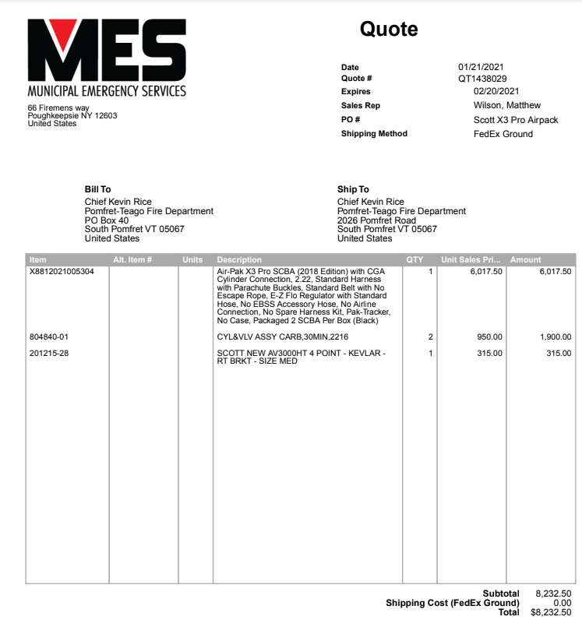

Desorcie Backup
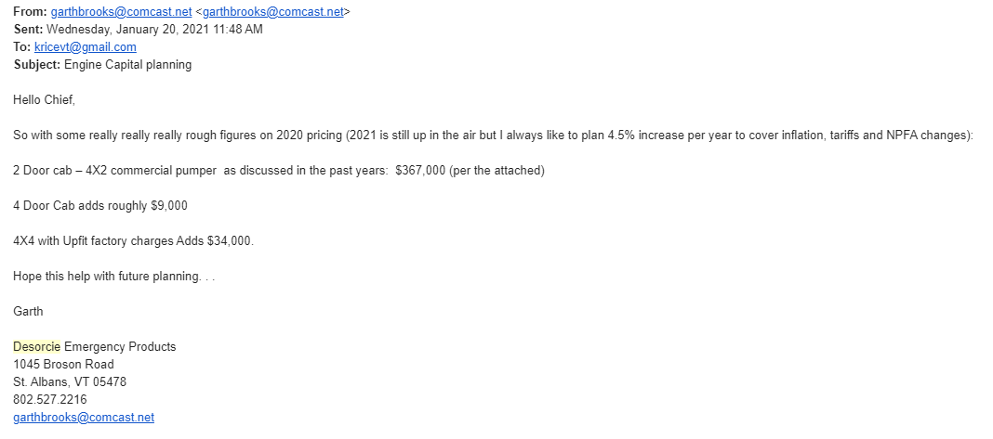

Quote provide in PDF form.

